Sheet1
 | F1 function
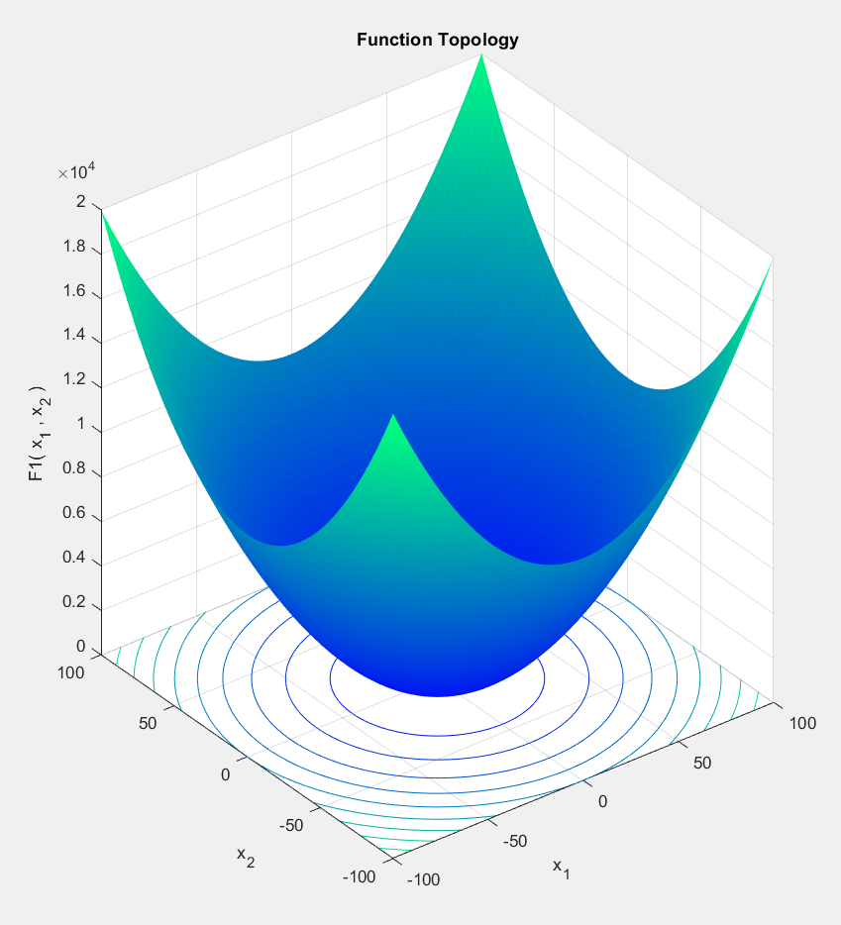

Number of Processor (n) | Tn (sec) | Speed Up | Global Minimum Fitness
1 | 12.3239 | 1 | 3.36E-21
2 | 6.43451 | 1.9152818163 | 7.16E-21
4 | 3.50339 | 3.5177071351 | 9.21E-22
5 | 2.76991 | 4.4492059309 | 4.03E-21
10 | 1.56866 | 7.8563232313 | 2.98E-21
20 | 0.960051 | 12.836713883 | 7.96E-22
25 | 0.785711 | 15.685029228 | 1.02E-21
50 | 0.935649 | 13.171499141 | 3.74E-23
100 | 2.2665 | 5.4374145158 | 6.86E-26
125 | 3.08735 | 3.9917404894 | 1.21E-26
250 | 6.40378 | 1.9244727333 | 4.77E-31
500 | 15.0663 | 0.81797787114 | 2.59E-26

 |  | Sequencial Time | 12.3239

F1 Convergence Curve
 | 1813620
1 | 1555250
2 | 1080340
3 | 788281
4 | 603884
5 | 460068
6 | 293039
7 | 205800
8 | 165028
9 | 104960
10 | 72893.3
11 | 60848.4
12 | 45775
13 | 34258.6
14 | 24375.4
15 | 15475.9
16 | 10662.3
17 | 8497.09
18 | 6064
19 | 4653.99
20 | 2717.17
21 | 2242.38
22 | 1775.19
23 | 1229.43
24 | 738.076
25 | 576.061
26 | 307.442
27 | 237.146
28 | 180.011
29 | 145.642
30 | 100.789
31 | 88.6652
32 | 61.8178
33 | 50.7556
34 | 32.6863
35 | 21.8932
36 | 12.8243
37 | 10.0753
38 | 7.01125
39 | 5.04327
40 | 3.8621
41 | 3.07252
42 | 1.91836
43 | 1.1713
44 | 1.07894
45 | 0.754569
46 | 0.458642
47 | 0.396998
48 | 0.258082
49 | 0.203414
50 | 0.135301
...
F1 Parallel Balance Point
Speed Up Vs Number of Processor
Global Fitness Vs Processors

F2 function | 500, 50, -10, 10
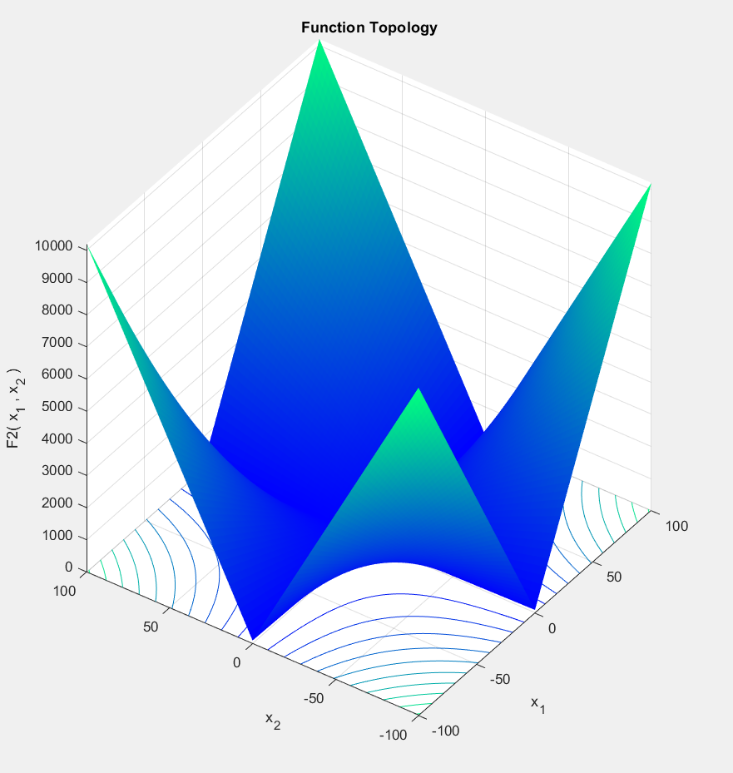
Number of Processor (n) | Tn (sec) | Speed Up | Global Minimum Fitness
1 | 12.4898 | 1 | 1.67E-13
2 | 6.47055 | 1.9302532242 | 3.87E-13
4 | 3.50179 | 3.5666901785 | 5.88E-13
5 | 2.77047 | 4.5081881414 | 2.31E-13
10 | 1.62897 | 7.6672989681 | 5.38E-14
20 | 0.9744 | 12.817939245 | 3.77E-14
25 | 0.807728 | 15.462878593 | 5.63E-14
50 | 0.907609 | 13.761212152 | 1.25E-14
100 | 2.32789 | 5.3652878787 | 1.45E-15
125 | 3.0703 | 4.0679412435 | 8.36E-16
250 | 6.76993 | 1.8448935218 | 2.20E-18
500 | 15.1501 | 0.82440379931 | 2.17E-16

 |  | Sequencial Time | 12.4898

F2 Parallel Balance Point
Convergence Curve
0 | 872854000
1 | 129.728
2 | 120.033
3 | 98.9329
4 | 82.1525
5 | 65.315
6 | 52.3999
7 | 44.7679
8 | 36.5897
9 | 30.4754
10 | 25.7797
11 | 19.0233
12 | 14.5769
13 | 12.7781
14 | 11.7039
15 | 9.52136
16 | 7.14025
17 | 5.54654
18 | 5.07782
19 | 4.617
20 | 3.95381
21 | 2.87755
22 | 2.73417
23 | 2.02439
24 | 1.85276
25 | 1.64698
26 | 1.26221
27 | 0.998684
28 | 0.757944
29 | 0.70898
30 | 0.587592
31 | 0.489215
32 | 0.442945
33 | 0.355635
34 | 0.326876
35 | 0.274884
36 | 0.252068
37 | 0.220163
38 | 0.161574
39 | 0.139356
40 | 0.0945845
41 | 0.0743517
42 | 0.0611465
43 | 0.0532282
44 | 0.0437938
45 | 0.0437938
46 | 0.0352918
47 | 0.0311791
48 | 0.0268262
49 | 0.0210238
...

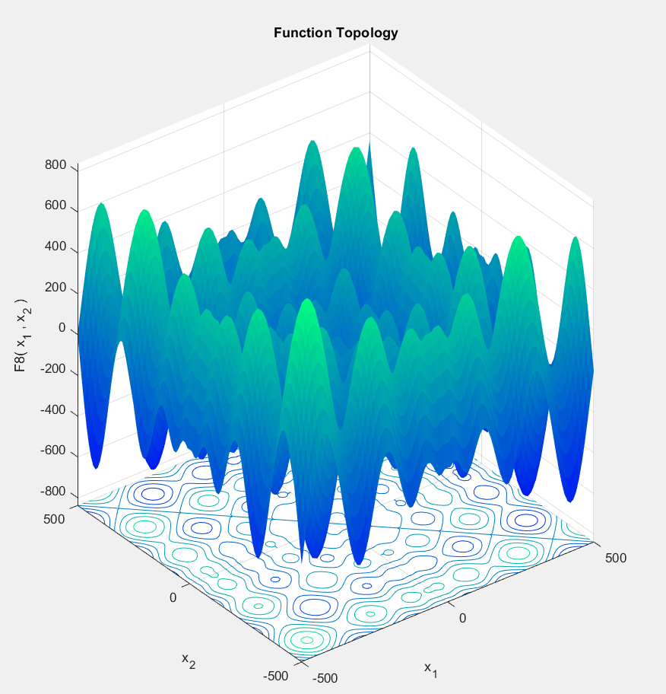
F8 function

Number of Processor (n) | Tn (sec) | Speed Up | Global Minimum Fitness
1 | 13.4846 | 1 | -17616.7
2 | 7.00803 | 1.9241641374 | -15846.8
4 | 3.71941 | 3.6254674801 | -16760.8
5 | 3.03637 | 4.4410266206 | -16046.2
10 | 1.72326 | 7.8250525167 | -15597.2
20 | 1.01126 | 13.334454047 | -15382.6
25 | 0.865241 | 15.584790827 | -15141.7
50 | 0.95749 | 14.083280243 | -14551
100 | 2.32995 | 5.7875061697 | -17616.7
125 | 2.9485 | 4.573376293 | -13893.3
250 | 6.58216 | 2.0486587989 | -13310.9
500 | 14.598 | 0.92372927798 | -9538.21

 |  | Sequencial Time | 13.4846

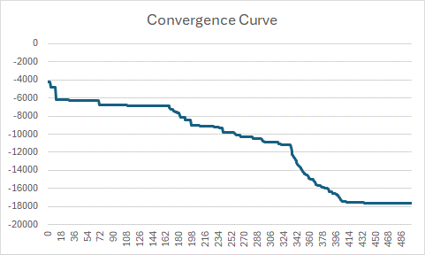
F8 Parallel Balance Point

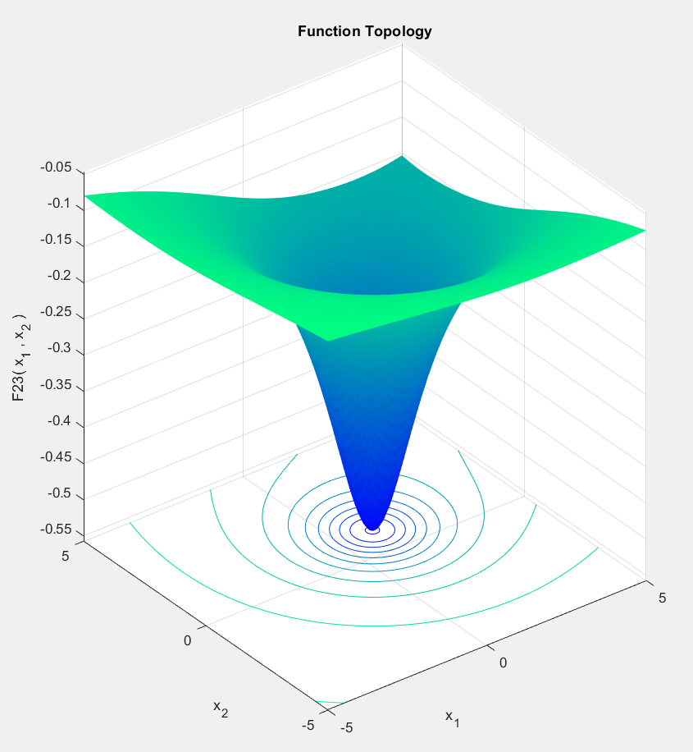

F8 function

Number of Processor (n) | Tn (sec) | Speed Up | Global Minimum Fitness
1 | 3.66823 | 1 | -10.5364
2 | 1.96233 | 1.8693237121 | -10.5364
4 | 1.11048 | 3.3032832649 | -10.5364
5 | 0.924997 | 3.9656669157 | -10.5364
10 | 0.53957 | 6.7984320848 | -10.5364
20 | 0.337998 | 10.852815697 | -10.5364
25 | 0.260174 | 14.099141344 | -10.5364
50 | 0.419716 | 8.7397907156 | -10.5364
100 | 1.76609 | 2.0770345792 | -10.5364
125 | 2.96273 | 1.2381249726 | -10.5364
250 | 6.99731 | 0.5242343129 | -10.5364
500 | 14.9336 | 0.24563601543 | -10.5364

 |  | Sequencial Time | 3.66823

Convergence
0 | -2.39487
1 | -2.5026
2 | -2.67014
3 | -2.67014
4 | -2.67014
5 | -2.67014
6 | -4.88626
7 | -4.88626
8 | -4.88626
9 | -5.76519
10 | -5.76519
11 | -5.76519
12 | -5.76519
13 | -5.76519
14 | -6.96736
15 | -6.96736
16 | -6.96736
17 | -7.71337
18 | -7.71337
19 | -7.71337
20 | -8.99069
21 | -8.99069
22 | -8.99069
23 | -8.99069
24 | -8.99069
25 | -8.99069
26 | -8.99069
27 | -8.99069
28 | -8.99069
29 | -8.99069
30 | -8.99069
31 | -8.99069
32 | -9.74022
33 | -9.74022
34 | -9.74022
35 | -9.74022
36 | -9.74022
37 | -9.74022
38 | -9.74022
39 | -9.74022
40 | -9.74022
41 | -9.74022
42 | -9.74022
43 | -9.74022
44 | -9.74022
45 | -9.74614
46 | -9.74614
47 | -9.74614
48 | -9.74614
49 | -9.74614
...
F23 Parallel Balance Point

